Laplace distribution

 |  |  | Laplace distribution

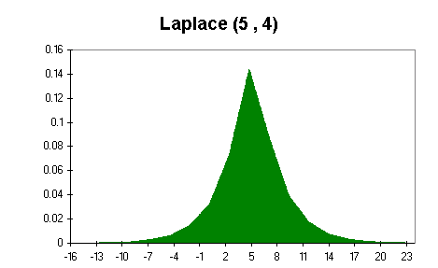
Problem: Construct a Laplace distribution

a | 5
b | 4

 | Input | Distribution
Exponential 1 | 0.35355339059 | 1.559
Exponential 2 | 0.35355339059 | 3.125

Laplace | 3.434

